Engraving
Parameter Material | Speed (mm/min) | Max Power | Min Power | Line Interval | Image Mode | Reference Picture(Parameter setting location) | Reference Table of ENGRAVING of Laser Master 3 - LU2-10A
Basswood Plywood | 15000 | 100 | 0 | 0.1 | Grayscale | 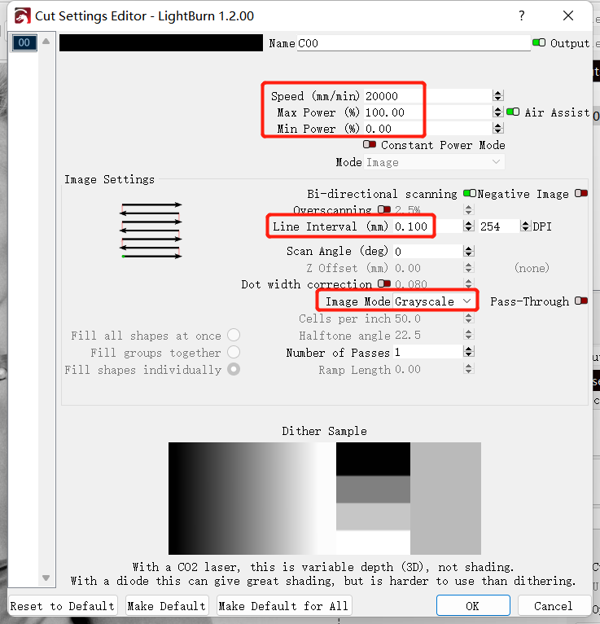
Pine Board | 20000 | 100 | 0 | 0.07 | Grayscale
Paulownia Board | 20000 | 70 | 0 | 0.1 | Grayscale
Gray Cardboard | 20000 | 70 | 0 | 0.07 | Grayscale
White Cardboard | 20000 | 100 | 0 | 0.1 | Grayscale
Corrugated Board | 20000 | 70 | 0 | 0.1 | Grayscale
Black Acrylic | 20000 | 100 | 0 | 0.1 | Grayscale
Acrylonitrile-Butadiene-Styrene | 10000 | 100 | 0 | 0.1 | Grayscale
Epoxy Board | 10000 | 100 | 0 | 0.1 | Grayscale
PolyVinyl Chloride | 20000 | 60 | 0 | 0.1 | Grayscale
Leather | 20000 | 60 | 0 | 0.1 | Grayscale
Cork Coaster | 20000 | 70 | 0 | 0.1 | Grayscale
Stainless Nameplate | 5000 | 100 | 0 | 0.1 | Grayscale
Stainless Steel | 2000 | 100 | 0 | 0.1 | Grayscale
Scratch Paper | 10000 | 15 | 0 | 0.1 | Grayscale
Ceramics（laser color paper on it） | 3000 | 25 | 0 | 0.05 | Grayscale
Coated Metal Card | 3000 | 25 | 0 | 0.1 | Grayscale
Cowhide Leather Bag | 20000 | 60 | 0 | 0.1 | Grayscale
Phone Case | 5000 | 20 | 0 | 0.1 | Grayscale

Notice： 1、The results would be different in even same material with different finishing or different colors, So you need to adjust the speed and power rate based on different objects. Also, please adjust the focal length to be the best, make the focal spot to be the smallest. 2、It couldn't engrave or cut directly: Glossy metal plate, Transparent materials, Reflecting materials, Some materials in white color or pervious to light, etc. Then, you need to use the marker pen to black it to engrave.

Cutting
Parameter Material | Speed (mm/min) | Max Power | Mode | Pass Count | Reference Picture(Parameter setting location) | Reference Table of CUTTING of Laser Master 3 - LU2-10A
3mm Basswood Plywood | 500 | 100 | Line | 1 | 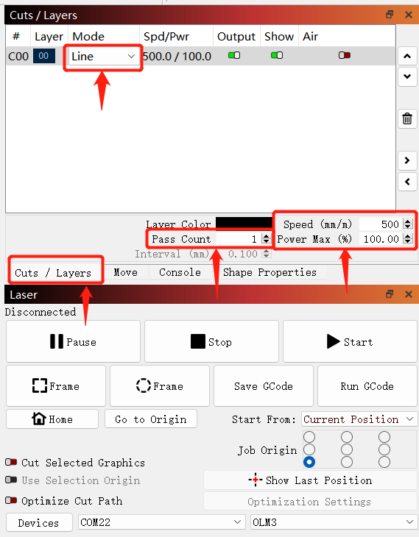
5mm Basswood Plywood | 300 | 100 | Line | 1
8mm Basswood Plywood | 100 | 100 | Line | 1
10mm Basswood Plywood | 150 | 100 | Line | 8
3mm Pine Board | 500 | 100 | Line | 1
5mm Pine Board | 200 | 100 | Line | 1
8mm Pine Board | 100 | 100 | Line | 1
10mm Pine Board | 100 | 100 | Line | 2
12mm Pine Board | 100 | 100 | Line | 3
15mm Pine Board | 100 | 100 | Line | 5
19mm Pine Board | 100 | 100 | Line | 8
3mm Paulownia Plank | 800 | 100 | Line | 1
5mm Paulownia Plank | 300 | 100 | Line | 1
8mm Paulownia Plank | 200 | 100 | Line | 1
10mm Paulownia Plank | 200 | 100 | Line | 4
12mm Paulownia Plank | 200 | 100 | Line | 5
15mm Paulownia Plank | 200 | 100 | Line | 6
3mm Gray Cardboard | 300 | 100 | Line | 1
6mm Gray Cardboard | 200 | 100 | Line | 5
2mm White Cardboard | 400 | 100 | Line | 1
3mm White Cardboard | 300 | 100 | Line | 1
6mm Corrugated Board | 800 | 100 | Line | 1
5mm Black Acrylic | 100 | 100 | Line | 3
8mm Black Acrylic | 100 | 100 | Line | 4
20mm Black Acrylic | 100 | 100 | Line | 11
25mm Black Acrylic | 100 | 100 | Line | 15
30mm Black Acrylic | 100 | 100 | Line | 17
3mm PolyVinyl Chloride | 1000 | 100 | Line | 1
5mm PolyVinyl Chloride | 700 | 100 | Line | 1
7mm PolyVinyl Chloride | 200 | 100 | Line | 1
1.5mm Leather | 300 | 100 | Line | 1
2mm Leather | 300 | 100 | Line | 1
Notice： 1、The results would be different in even same material with different finishing or different colors, So you need to adjust the speed and power rate based on different objects. Also, please adjust the focal length to be the best, make the focal spot to be the smallest. 2、It couldn't engrave or cut directly: Glossy metal plate, Transparent materials, Reflecting materials, Some materials in white color or pervious to light, etc. Then, you need to use the marker pen to black it to engrave.

